Лист1
Bug report
Project Name: All Price
Website https://pn.com.ua/
Bug Report Prepared By: Halyna Olifirenko
ID | Summary | Precondition | Steps | Actual Result | Expected Result | Enviroment | Attachment | Severity | Priority
AP/B/01/01 | When you open the list of product categories, the first category does not light up | 1. Open website https://pn.com.ua/ | 1. Clicked on the product subcategory | The front list has not grouped | The front list has grouped | Safari APPLE 13 Pro Mac | 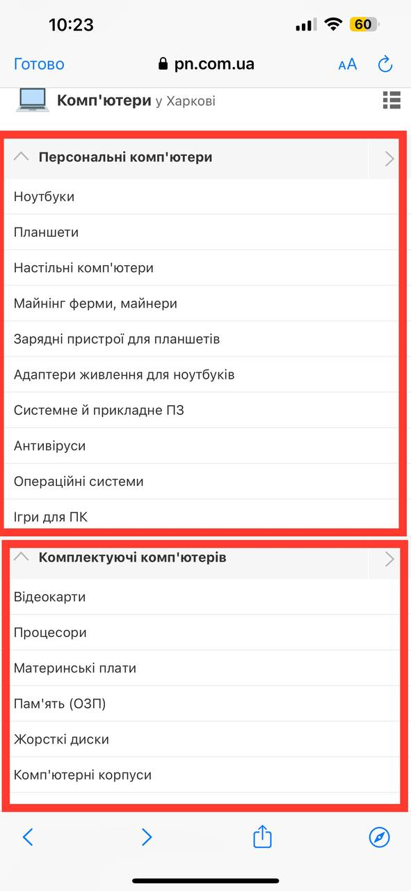 | Trivial | Low
 |  | 2. Head side | 2. Removable drop-down list
 |  | 3. Click the "Login" button | 3. We press on to the subcategory of the product
 |  |  | 4. Removable drop-down list
AP/B/01/02 | In the "Shops" section on the main page, some of the products are located separately | 1. Open website https://pn.com.ua/ | 1. Go to the "Stores" section | Some of the subcategories are placed separately on the page | All subcategories on the page are placed together | 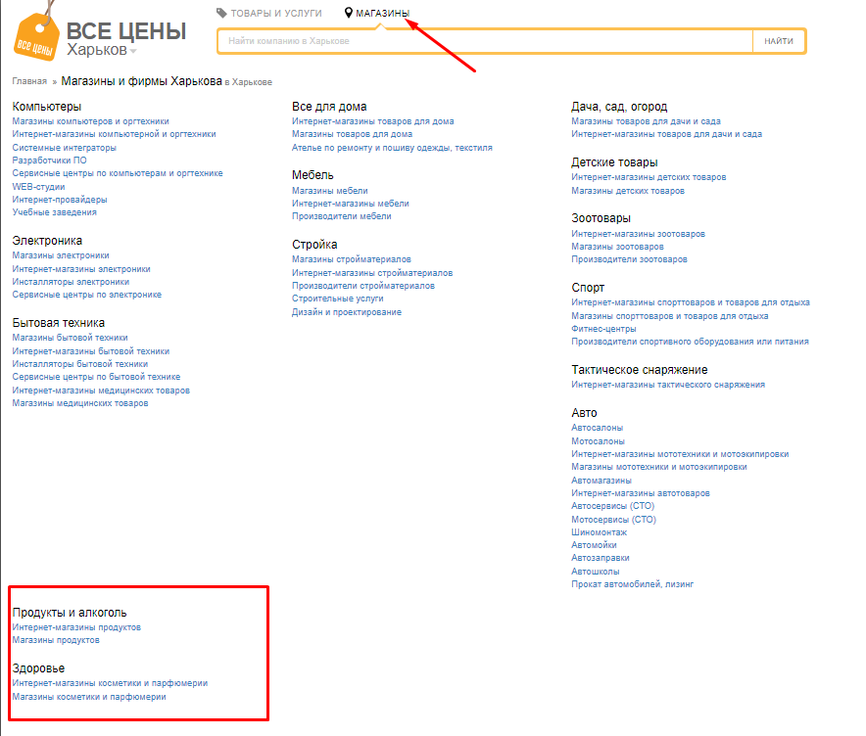 Google Chrome 116.0.5845.141 |  | Trivial | Low
 |  | 2. Head side | 1. Subcategory placement on the page
AP/B/01/03 | IIn the registration form, enter a name of 100 characters in the "Company name" field | 1. Open website https://pn.com.ua/ | 1. Enter in the field "Company name" | The data was entered successfully | System message about the number limit "You can enter no more than 50 characters in the field" | Google Chrome 116.0.5845.141 |  | Minor | Low
 |  | 2. Head side | 2. The system takes the user to the page with the registration form
 |  | 3. Click on the "FOR STORES" button | 3. In the "Company name" field, enter the name of 100 characters
 |  |  | 4. Click on the "Send" button and the system performs validation.
AP/B/01/04 | IIn the registration form, enter a name of 100 characters in the "Company name" field | 1. Open website https://pn.com.ua/ | 1. Enter in the field "Your name (or the name of a contact person)" | The data was entered successfully | System message about the number limit "You can enter no more than 50 characters in the field" | Google Chrome 116.0.5845.141 |  | Minor | Low
 |  | 2. Head side | 2. The system takes the user to the page with the registration form
 |  | 3. Click on the "FOR STORES" button | 3. In the "Your name (or the name of a contact person)" field, enter the name of 100 characters
 |  |  | 4. Click on the "Send" button and the system performs validation.

